Dow
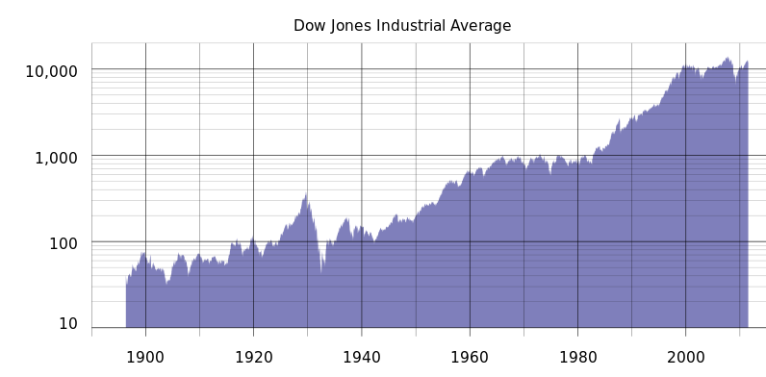
Dow |  |  |  | Bank of Canada Calculator
Year | Dow @ start of | ROI | Annual ROI | Inflation | Annual Averate | Av ROI - Inflation
1983 | 1040 | 101% | 10% | 149.12% | 9.46% | 1%
1993 | 2090 | 297% | 30% | 50.18% | 4.15% | 26%
2003 | 8300 | 57% | 6% | 20.52% | 1.88% | 4%
2013 | 13000 | 60% | 10% | 19.36% | 1.79% | 8%
Today | 20800
 |  | Average Annual ROI | 14% |  | 4.32% | 10%

